all countries
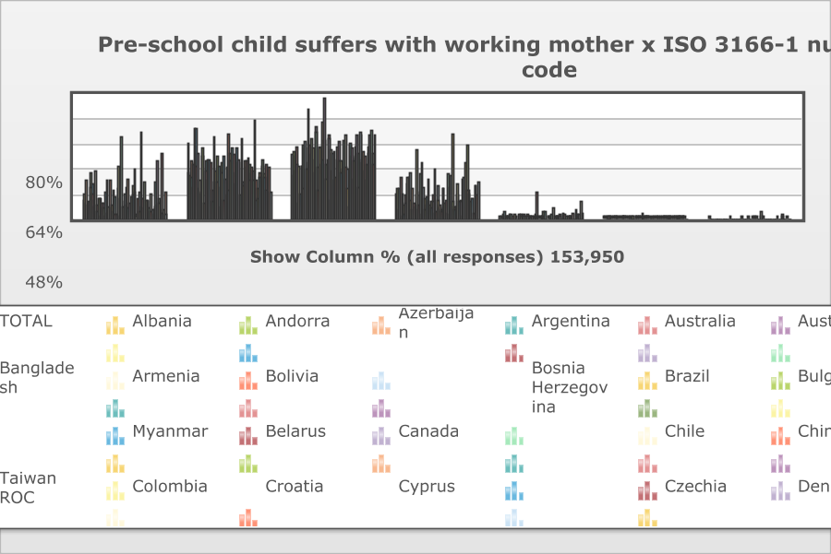
...
 | TOTAL | ISO 3166-1 numeric country code
Agree strongly | 12.2% (18,830) | 15.9 | 10.3 | 24.5 | 9.2 | 5.2 | 11 | 29.9 | 20.4 | 22.5 | 16.1 | 12 | 8.3 | 30.2 | 8.8 | 4.4
Agree | 29.1% (44,736) | 48.5 | 27.2 | 36.6 | 27 | 20.3 | 34.9 | 57.8 | 35.9 | 57.7 | 33.6 | 41.7 | 18.9 | 24.3 | 17.6 | 16.6
Disagree | 40.7% (62,615) | 28 | 42.7 | 30.4 | 40.1 | 46.4 | 35.1 | 9.9 | 33.9 | 16.5 | 33.9 | 34.2 | 47.5 | 19.3 | 45.2 | 49.5
Strongly disagree | 15.9% (24,530) | 7 | 19.5 | 5.9 | 18.9 | 26.4 | 16.2 | 1.8 | 8.8 | 2.5 | 15.4 | 9.5 | 22 | 26.1 | 26.5 | 29.5
Don't know | 1.7% (2,579) | 0.5 | 0 | 2.5 | 4.3 | 0 | 2 | 0.7 | 1 | 0.6 | 1 | 2.2 | 2.4 | 0 | 1.7 | 0
No answer | 0.3% (512) | 0.1 | 0.3 | 0 | 0.6 | 1.8 | 0.7 | 0 | 0 | 0.1 | 0.1 | 0.4 | 0.9 | 0 | 0.2 | 0
Other missing; Multiple answers Mail (EVS) | 0.1% (148) | 0 | 0 | 0 | 0 | 0 | 0 | 0 | 0 | 0 | 0 | 0 | 0 | 0 | 0 | 0
(N) | 153950 | 1454 | 1004 | 1817 | 1003 | 1813 | 1651 | 1200 | 2723 | 2067 | 1735 | 1762 | 1566 | 1200 | 1548 | 4018

Europe plot
2019 | 2020 | 2021
Fertility Rate - 2019 | Fertility Rate - 2020 | Fertility Rate - 2021 | Agree or Strongly Agree | Average TFR (2015-2021)
...
European Countries
64.4 | 1.4712857143
45.9 | 1.4842857143
49.7 | 1.347
27.2 | 1.5585714286
40.3 | 1.4714285714
31 | 1.6928571429
8.8 | 1.7257142857
21.4 | 1.6128571429
13.8 | 1.4714285714
1.88 | 30.7
31.3 | 1.5557142857
47.2 | 1.5428571429
22.9 | 1.7485714286
52.7 | 1.2942857143
45.7 | 1.6371428571
51.5 | 1.5828571429
53 | 1.7628571429
17.3 | 1.6085714286
25.9 | 1.5957142857
50 | 1.4014285714
45.3 | 1.3842857143
37.2 | 1.7357142857
45.3 | 1.4828571429
30.9 | 1.5342857143
29.4 | 1.6014285714
25.4 | 1.2642857143
15.1 | 1.7557142857
37.4 | 1.5114285714
37.6 | 1.4414285714
21.5 | 1.68
1.414 | 1.4 | 1.39 | 64.4 | 1.4712857143
1.46 | 1.44 | 1.48 | 45.9 | 1.4842857143
1.368 | 1.359 | 1.35 | 49.7 | 1.347
1.58 | 1.56 | 1.58 | 27.2 | 1.5585714286
1.47 | 1.48 | 1.62 | 40.3 | 1.4714285714
1.71 | 1.71 | 1.83 | 31 | 1.6928571429
1.7 | 1.68 | 1.72 | 8.8 | 1.7257142857
1.66 | 1.58 | 1.61 | 21.4 | 1.6128571429
1.35 | 1.37 | 1.46 | 13.8 | 1.4714285714
1.86 | 1.83 | 1.83 | 1.88 | 30.7
1.54 | 1.53 | 1.58 | 31.3 | 1.5557142857
1.55 | 1.59 | 1.59 | 47.2 | 1.5428571429
1.74 | 1.72 | 1.82 | 22.9 | 1.7485714286
1.27 | 1.24 | 1.25 | 52.7 | 1.2942857143
1.61 | 1.55 | 1.57 | 45.7 | 1.6371428571
1.61 | 1.48 | 1.34 | 51.5 | 1.5828571429
1.77 | 1.75 | 1.75 | 53 | 1.7628571429
1.57 | 1.54 | 1.62 | 17.3 | 1.6085714286
1.53 | 1.48 | 1.55 | 25.9 | 1.5957142857
1.44 | 1.39 | 1.33 | 50 | 1.4014285714
1.43 | 1.41 | 1.38 | 45.3 | 1.3842857143
1.77 | 1.8 | 1.8 | 37.2 | 1.7357142857
1.52 | 1.48 | 1.48 | 45.3 | 1.4828571429
1.57 | 1.59 | 1.64 | 30.9 | 1.5342857143
1.61 | 1.59 | 1.64 | 29.4 | 1.6014285714
1.23 | 1.19 | 1.19 | 25.4 | 1.2642857143
...

OECD plot
2019 | 2020 | 2021
Fertility Rate - 2019 | Fertility Rate - 2020 | Fertility Rate - 2021 | Agree or Strongly Agree | Average TFR (2015-2021)
...
OECD Countries
25.5 | 1.7121428571
45.9 | 1.4842857143
21 | 1.5085714286
52.9 | 1.5991428571
49.1 | 1.79
31 | 1.6928571429
8.8 | 1.7257142857
21.4 | 1.6128571429
13.8 | 1.4714285714
30.7 | 1.88
31.3 | 1.5557142857
39.7 | 1.3614285714
47.2 | 1.5428571429
22.9 | 1.7485714286
52.7 | 1.2942857143
13.4 | 1.39
64.7 | 1.0004285714
45.7 | 1.6371428571
51.5 | 1.5828571429
52.9 | 1.9861428571
17.3 | 1.6085714286
15.7 | 1.7642857143
25.9 | 1.5957142857
50 | 1.4014285714
45.3 | 1.3842857143
30.9 | 1.5342857143
29.4 | 1.6014285714
25.4 | 1.2642857143
15.1 | 1.7557142857
37.4 | 1.5114285714
51.5 | 2.0482857143
21.5 | 1.68
20.7 | 1.7386428571
19.8 | 1.7485714286
1.657 | 1.581 | 1.7 | 25.5 | 1.7121428571
1.46 | 1.44 | 1.48 | 45.9 | 1.4842857143
1.47 | 1.41 | 1.43 | 21 | 1.5085714286
1.545 | 1.537 | 1.537 | 52.9 | 1.5991428571
1.765 | 1.737 | 1.717 | 49.1 | 1.79
1.71 | 1.71 | 1.83 | 31 | 1.6928571429
1.7 | 1.68 | 1.72 | 8.8 | 1.7257142857
1.66 | 1.58 | 1.61 | 21.4 | 1.6128571429
1.35 | 1.37 | 1.46 | 13.8 | 1.4714285714
1.86 | 1.83 | 1.83 | 30.7 | 1.88
1.54 | 1.53 | 1.58 | 31.3 | 1.5557142857
1.34 | 1.39 | 1.39 | 39.7 | 1.3614285714
1.55 | 1.59 | 1.59 | 47.2 | 1.5428571429
1.74 | 1.72 | 1.82 | 22.9 | 1.7485714286
1.27 | 1.24 | 1.25 | 52.7 | 1.2942857143
1.36 | 1.33 | 1.3 | 13.4 | 1.39
0.918 | 0.837 | 0.808 | 64.7 | 1.0004285714
1.61 | 1.55 | 1.57 | 45.7 | 1.6371428571
1.61 | 1.48 | 1.34 | 51.5 | 1.5828571429
1.916 | 1.905 | 1.822 | 52.9 | 1.9861428571
1.57 | 1.54 | 1.62 | 17.3 | 1.6085714286
1.72 | 1.61 | 1.64 | 15.7 | 1.7642857143
1.53 | 1.48 | 1.55 | 25.9 | 1.5957142857
1.44 | 1.39 | 1.33 | 50 | 1.4014285714
1.43 | 1.41 | 1.38 | 45.3 | 1.3842857143
1.57 | 1.59 | 1.64 | 30.9 | 1.5342857143
...

